Footwear & Handbags
Footwear & Handbags Images

**Goal should be to capture the most detail in the fewest images but images MUST BE CLEAR/LEGIBLE

Saleable Package |  |  |  | Front of Product
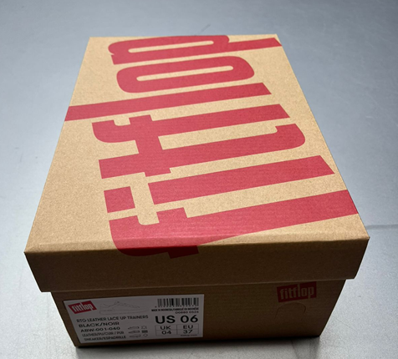 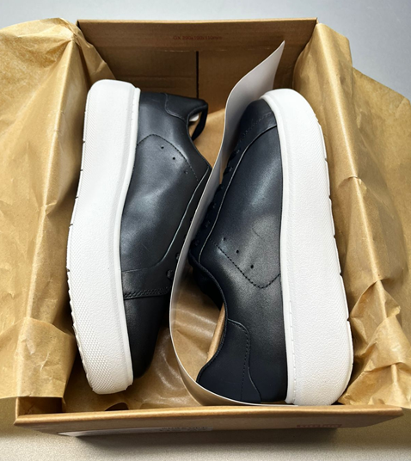 |  |  |  | 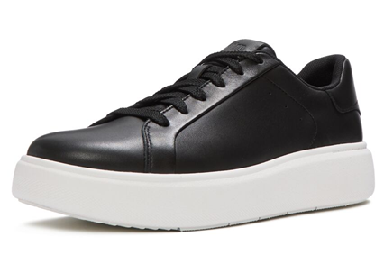 Attach Image Here

Back of Product |  |  |  | Bottom of Product
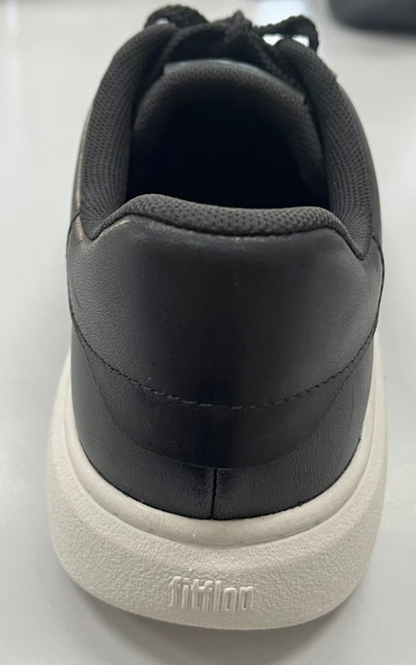 Attach Image Here |  |  |  | 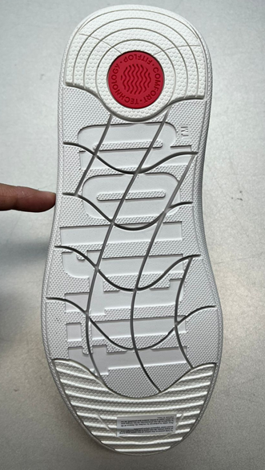 Attach Image Here

Side of Product |  |  |  | Interior of Product
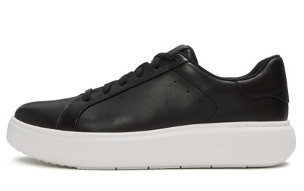 Attach Image Here |  |  |  | 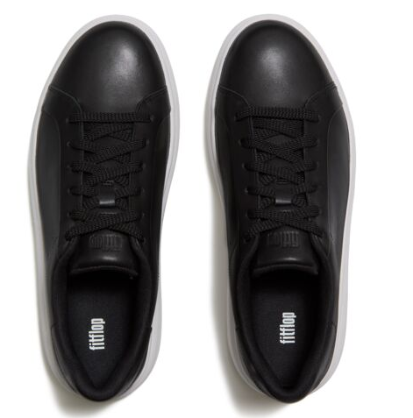 Attach Image Here

Images of all colors represented, indicate color name per the PO
Urban White | All Black | Grey Sage/Cream | Cappuccino

Fiber Content /Size/ COO Label |  |  |  | Care Label (if applicable)
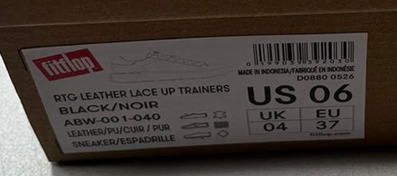 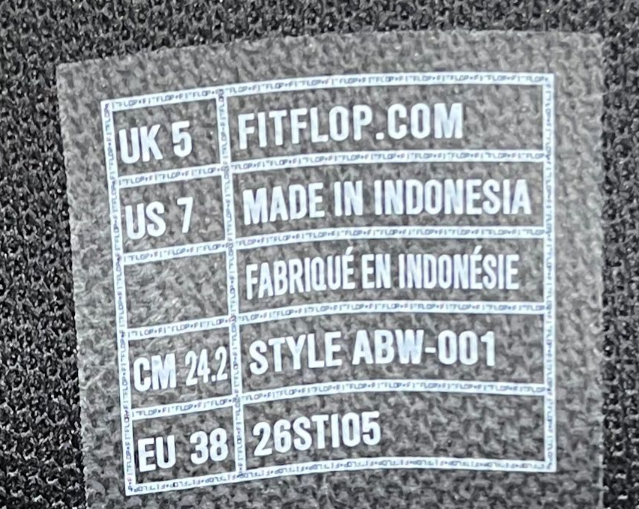 Attach Image Here |  |  |  | 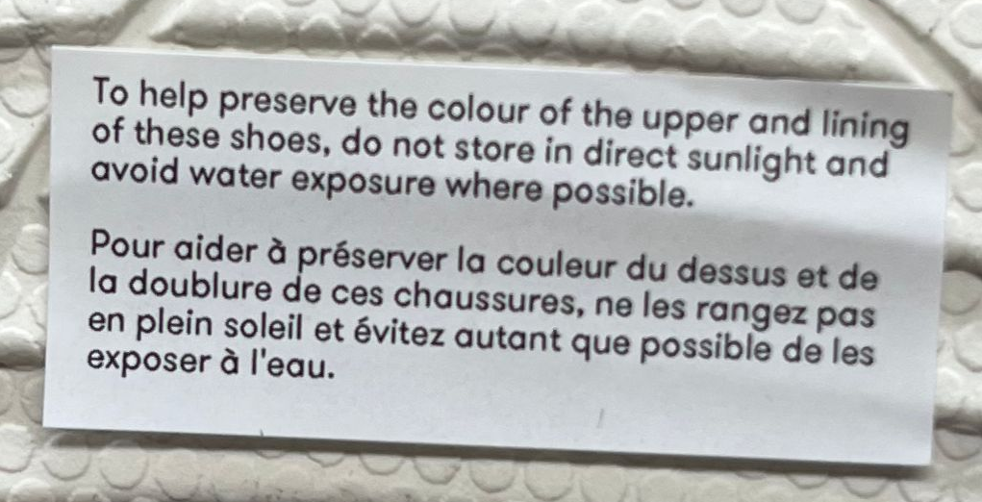 Attach Image Here

. Hangtags, Other Inserts (if applicable) |  |  |  | Hangtags, Other Inserts (if applicable)
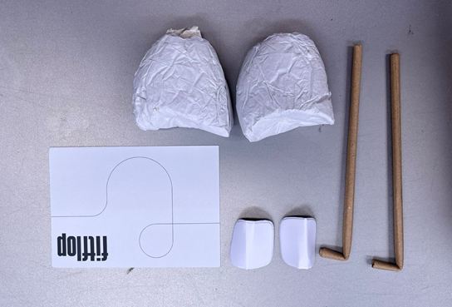 Attach Image Here |  |  |  | Attach Image Here

