Sheet1
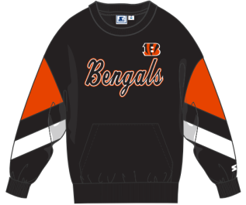
Images of all colors represented, indicate color name per the PO
Pittsburgh Steelers (PIS) | Chicago Bear(BEA) | Buffalo Bill(BIL) | Cleveland Brown(CBN) | Arizona Cardinal(CDN) | San Diego Chargers(CHG) | Cinncinati Bengal(CIB) | Indianapolis Colt(COL)
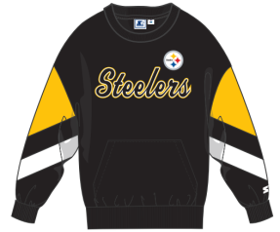 | 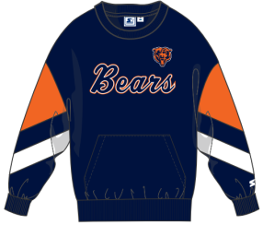 | 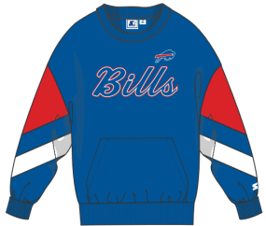 | 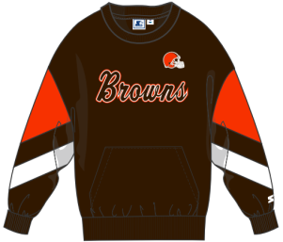 | 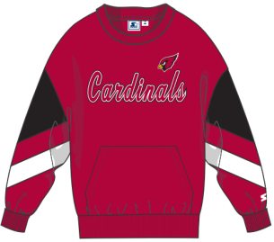 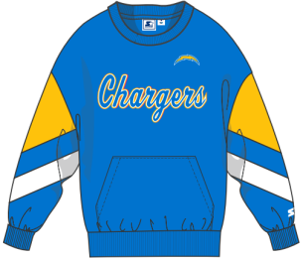 |  | 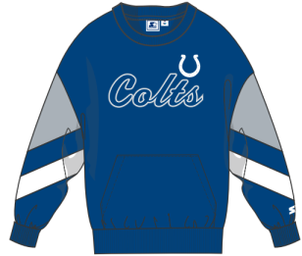

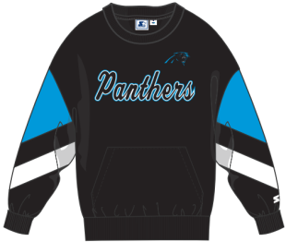
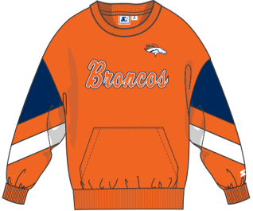
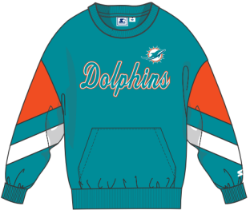
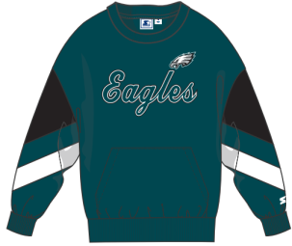
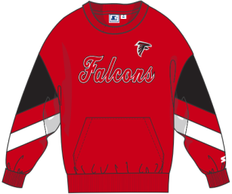
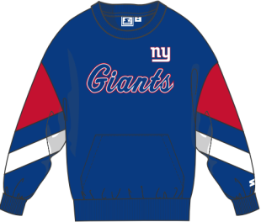
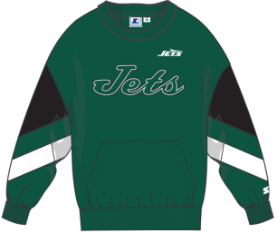
Carolina Panthers (CPN) | Denver Broncos (DEB) | Miami Dolphins (DOL) | Philadelphia Eagles (EAG) | Atlanta Falcons (FAL) | New York Giants (GIA) | Houston Texans (HTX) | New York Jets (JET)
 |  |  |  |  | 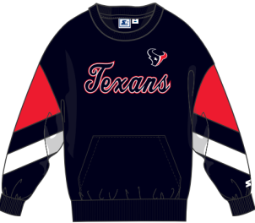

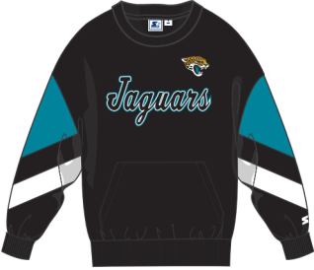
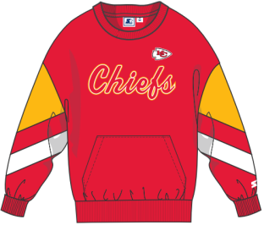
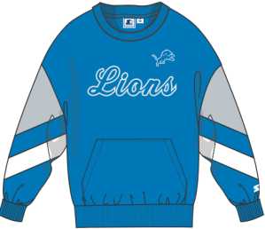
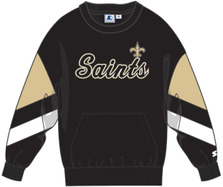
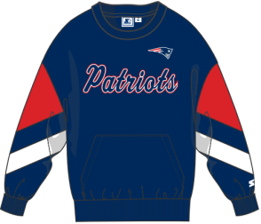
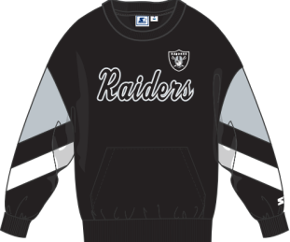
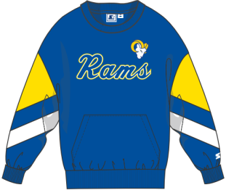
Jacksonville Jaguars (JJS) | Kansas City Chiefs (KAC) | Detroit Lions (LIO) | New Orleans Saints (NOS) | Green Bay Packers (PAC) | New England Patriots (PAT) | Oakland Raiders (RAD) | Los Angeles Rams (RAM)
 |  |  |  | 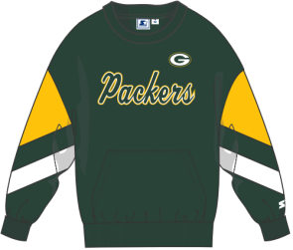

Baltimore Ravens (RAV) | San Francisco 49ers (SNF) | Seattle Seahawks (SSE) | Tampa Bay Buccaneers (TPA) | Tennessee Titans (TTN) | Minnesota Vikings (VIK) | NFL COMMANDERS (WBZ)
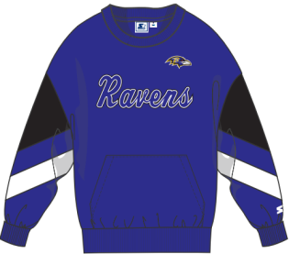 | 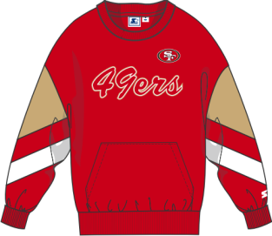 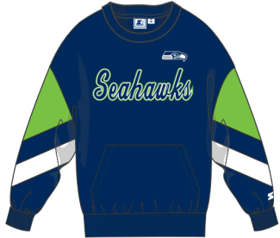 |  | 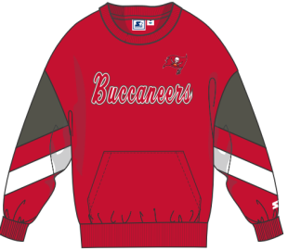 | 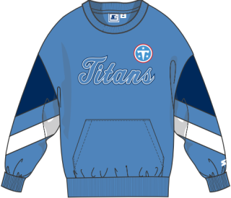 | 